Life Wheel
Life Wheel

Area | Guidance and Indicators | Score (1-10)
Self Image | Confidence in your abilities and uniqueness Embracing personal strengths and growth areas Projecting authenticity in how others perceive you Maintaining integrity and trustworthiness in relationships Feeling aligned with your personal and professional presence | 6
Business/Career/Studies | Feeling fulfilled and challenged by your work or studies Aligning your career path with your passions and values Experiencing growth and progress in professional or academic goals Having a sense of purpose and contribution in your field Work-life balance that supports personal well-being | 7
Finance/Wealth | Confidence in managing financial responsibilities Ability to support personal needs and future goals Experiencing financial freedom and security Practicing mindful spending and saving habits Investing in long-term stability and meaningful experiences | 10
Health/Fitness | Feeling strong, energetic, and physically capable Engaging in regular movement and nourishing your body Prioritizing mental and emotional well-being Listening to and honoring your body’s needs Cultivating sustainable and joyful wellness habits | 5
Social/Friend | Having a supportive and uplifting social circle Sharing meaningful connections and experiences Feeling valued and understood by friends Balancing social engagement with personal space Nurturing relationships that foster mutual growth | 10
Family | Feeling connected and supported by family members Creating a safe and loving home environment Honoring family traditions while embracing change Practicing open communication and understanding Offering and receiving unconditional love | 10
Love | Experiencing intimacy and deep connection in relationships Feeling loved, valued, and emotionally secure Expressing affection and appreciation freely Building trust and mutual respect with a partner Growing together through life’s challenges and joys | 6
Rest/Recreation | Prioritizing rest and rejuvenation without guilt Engaging in hobbies that bring joy and fulfillment Balancing productivity with downtime Exploring new experiences and adventures Making space for playfulness and creativity | 10
Contribution | Feeling impactful in supporting causes or communities Using skills and resources to help others thrive Engaging in acts of kindness and service Making meaningful contributions to the world Aligning personal actions with collective well-being | 10
Perosnal Development | Investing in learning and expanding your knowledge Challenging limiting beliefs and embracing growth Setting and pursuing meaningful personal goals Seeking feedback and self-reflection for improvement Stepping outside comfort zones to unlock potential | 10
Spirituality | Feeling connected to something greater than yourself Living in alignment with personal values and purpose Practicing mindfulness and inner peace Exploring beliefs that foster understanding and compassion Finding comfort and strength in spiritual practices | 10

Mood Wheel
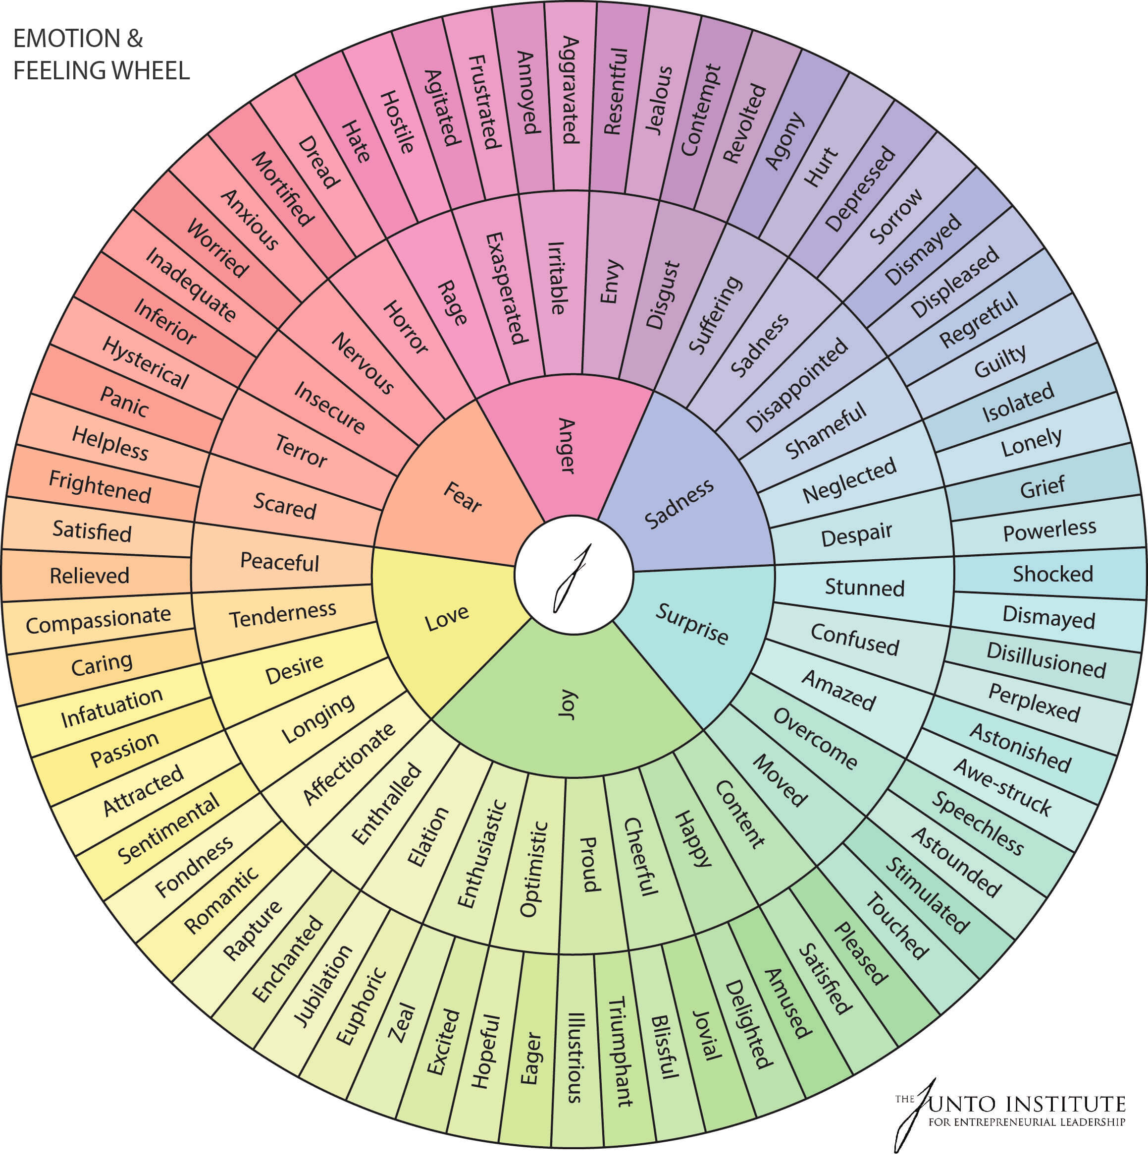
Core Emotion | Secondary Emotion | Tertiary Emotion
Anger | Hurt | Embarrassed
Anger | Hurt | Devastated
Anger | Angry | Mad
Anger | Angry | Hostile
Anger | Agitated | Frustrated
Anger | Agitated | Annoyed
Anger | Jealous | Envious
Anger | Jealous | Resentful
Fear | Scared | Helpless
Fear | Scared | Frightened
Fear | Anxious | Worried
Fear | Anxious | Insecure
Fear | Insecure | Inferior
Fear | Insecure | Worthless
Fear | Rejected | Excluded
Fear | Rejected | Persecuted
Sadness | Guilty | Ashamed
Sadness | Guilty | Remorseful
Sadness | Lonely | Isolated
Sadness | Lonely | Abandoned
Sadness | Depressed | Empty
Sadness | Depressed | Inferior
Sadness | Disappointed | Dismayed
Sadness | Disappointed | Displeased
Joy | Proud | Triumphant
Joy | Proud | Confident
Joy | Optimistic | Hopeful
Joy | Optimistic | Eager
Joy | Excited | Energetic
Joy | Excited | Exhilarated
Joy | Content | Satisfied
Joy | Content | Relaxed
Love | Affectionate | Compassionate
Love | Affectionate | Caring
Love | Attracted | Sentimental
Love | Attracted | Romantic
Love | Passionate | Enthralled
Love | Passionate | Infatuated
Surprise | Startled | Shocked
Surprise | Startled | Dismayed
Surprise | Confused | Disillusioned
Surprise | Confused | Perplexed
Surprise | Amazed | Awe-struck
Surprise | Amazed | Speechless
Surprise | Excited | Eager
Surprise | Excited | Energetic
Disgust | Disapproving | Judgmental
Disgust | Disapproving | Embarrassed
Disgust | Disappointed | Revolted
Disgust | Disappointed | Awful
Disgust | Awful | Nauseated
Disgust | Awful | Detestable
Disgust | Repelled | Horrified
Disgust | Repelled | Disgusted

Uncomfortable Mood Wheel
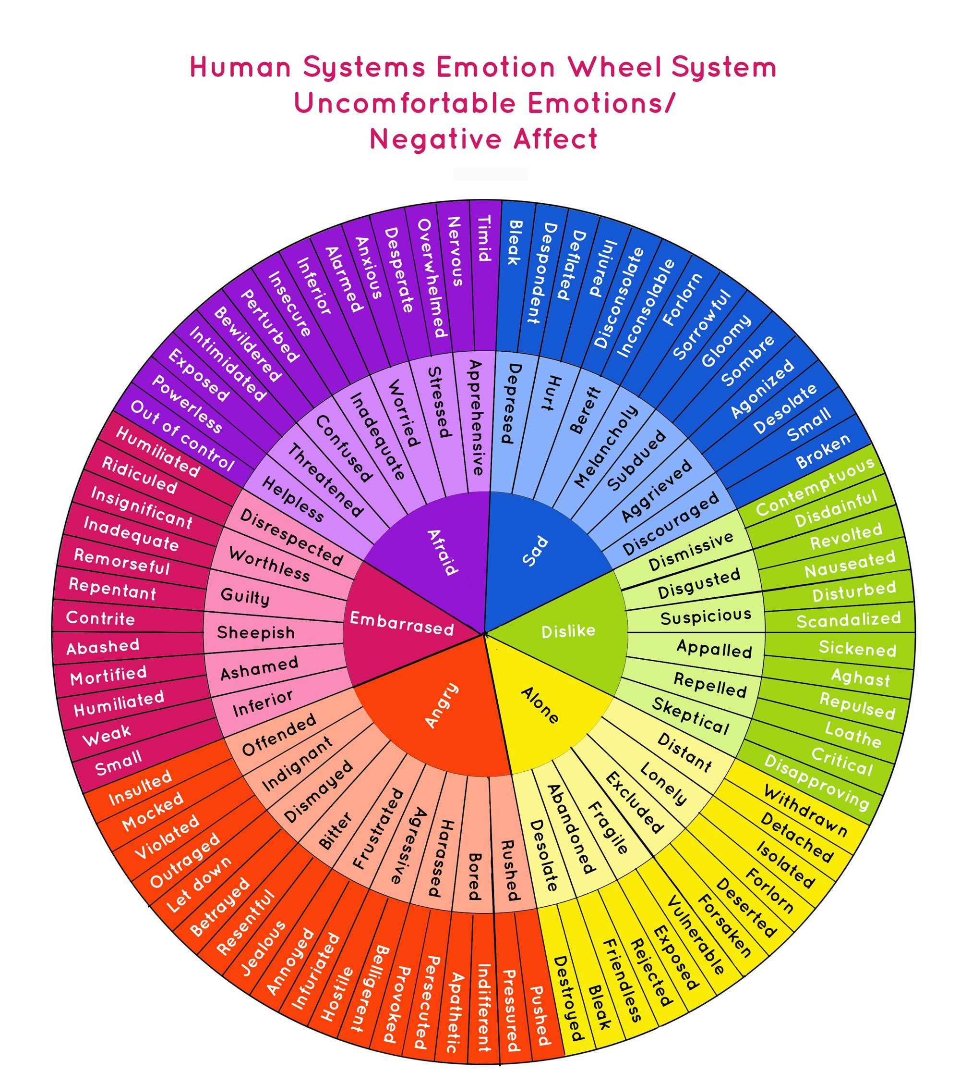
Core Emotion | Secondary Emotion | Tertiary Emotion
Sad | Depressed | Bleak
Sad | Depressed | Despondent
Sad | Hurt | Betrayed
Sad | Hurt | Abandoned
Sad | Disappointed | Discouraged
Sad | Disappointed | Aggrieved
Sad | Lonely | Isolated
Sad | Lonely | Forlorn
Afraid | Apprehensive | Nervous
Afraid | Apprehensive | Anxious
Afraid | Overwhelmed | Stressed
Afraid | Overwhelmed | Worried
Afraid | Threatened | Insecure
Afraid | Threatened | Intimidated
Afraid | Helpless | Powerless
Afraid | Helpless | Exposed
Angry | Frustrated | Agitated
Angry | Frustrated | Annoyed
Angry | Indignant | Offended
Angry | Indignant | Disrespected
Angry | Resentful | Betrayed
Angry | Resentful | Jealous
Angry | Hostile | Hateful
Angry | Hostile | Vengeful
Embarrassed | Ashamed | Guilty
Embarrassed | Ashamed | Inferior
Embarrassed | Self-conscious | Awkward
Embarrassed | Self-conscious | Exposed
Embarrassed | Worthless | Inadequate
Embarrassed | Worthless | Insignificant
Embarrassed | Humiliated | Mortified
Embarrassed | Humiliated | Ridiculed
Dislike | Disapproving | Critical
Dislike | Disapproving | Dismissive
Dislike | Disgusted | Revolted
Dislike | Disgusted | Repelled
Dislike | Suspicious | Skeptical
Dislike | Suspicious | Distrustful
Dislike | Contemptuous | Scornful
Dislike | Contemptuous | Disdainful
Alone | Abandoned | Deserted
Alone | Abandoned | Neglected
Alone | Excluded | Rejected
Alone | Excluded | Unwanted
Alone | Ignored | Unacknowledged
Alone | Ignored | Overlooked
Alone | Disconnected | Withdrawn
Alone | Disconnected | Detached

